DFM template
NEXTPCB DFA report
Project Number：LEVIA_H7 |  | Prepared by: chunxiang |  |  |  |  | Date: 20260630
Item | Problem description 问题描述 | Reference location 影响位置 | MPN 物料名称 | Impact 影响 | Image 图片 | NextPCB Suggestion 建议 | Customer feedback 客户反馈 |  | Severity 严重度 | Status 状态
1 | The clearance is too big in Gerber. | U1 | / | The component can't be 100% soldered on the board, which will cause soldeirng issue. | 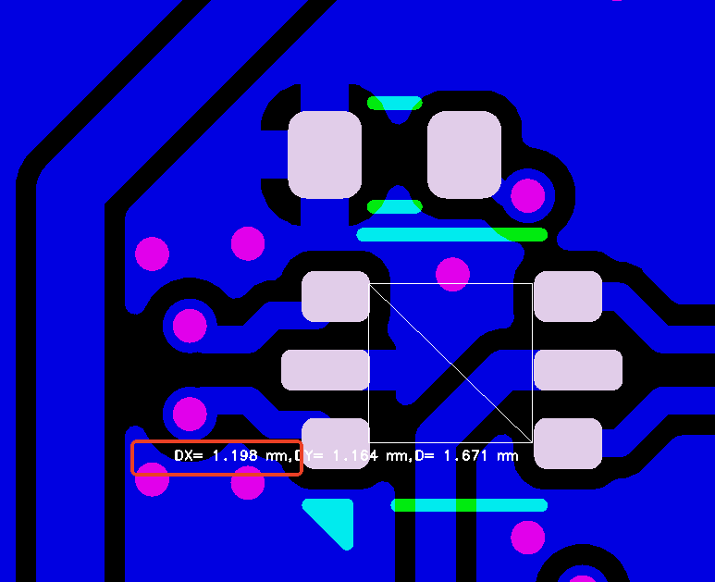 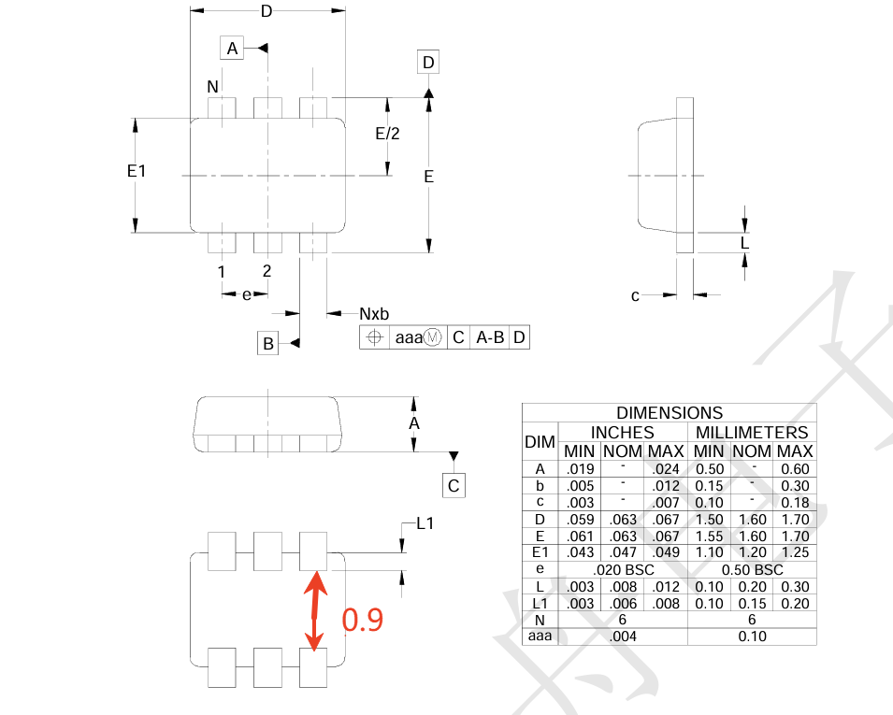 | Please modify the clearance to 0.7mm. |  | Changed footprint to better match component | Middle
2 | Could you please provide the dimension of 19-337/R6GHBHC-M01/2T? We can't find it from internet. | D1 | / | We are not sure whether the component can be 100% soldered or not, it seems the clearance is too big. | 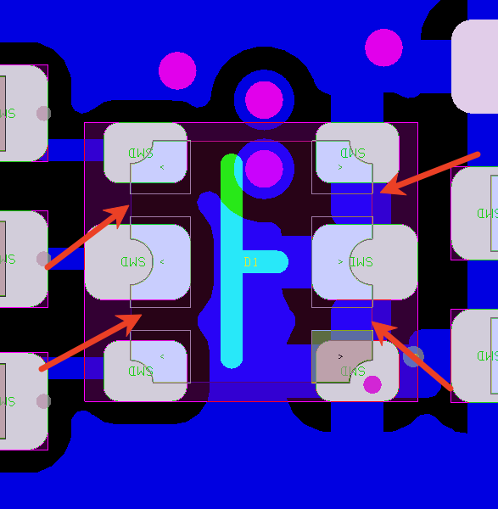 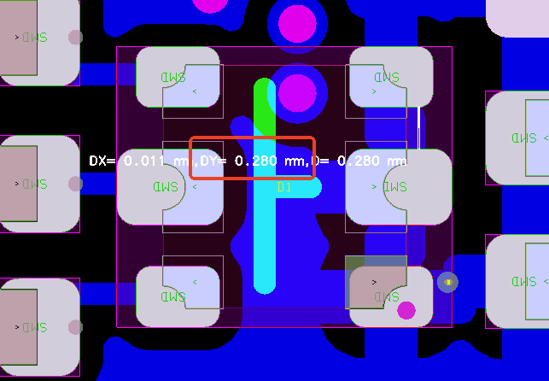 | Please confirm the footprint or modify the clearance to 0.15mm. | 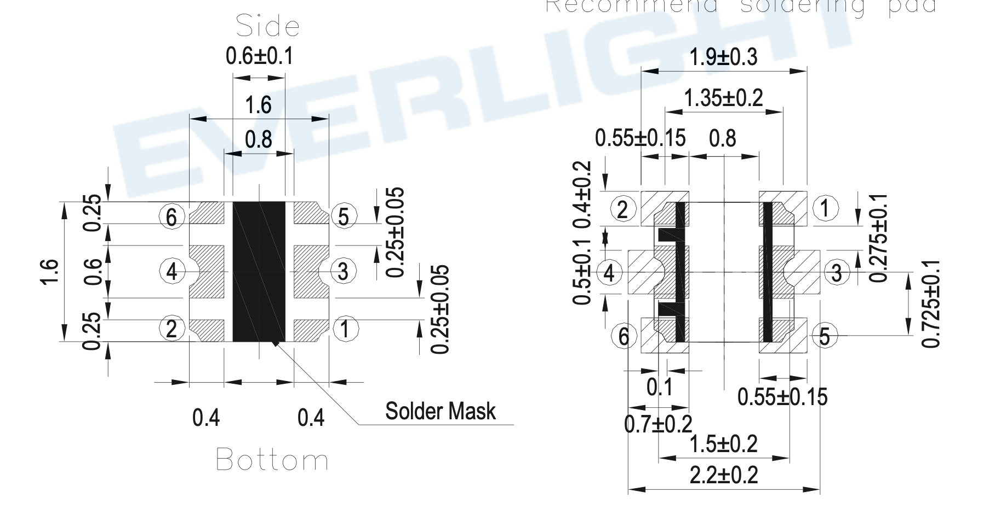 | The footprint looks fine, it should be compliant with the manufacturer specs https://www.everlighteurope.com/product-details?id=3322&name=19-337%2FR6GHBHC-M01%2F2T&category=Visible+SMD | Middle
3 | The pcakage is 01005 while the footprint is 0402. | C15,C16 C1,C4,C5,C6,C9,C10,C17,C20,C21,C26,C28,C33,C34,C35,C38,C39,C40,C43,C44,C47,C48,C49,C50,C54 | / | Can't be soldered at all. | 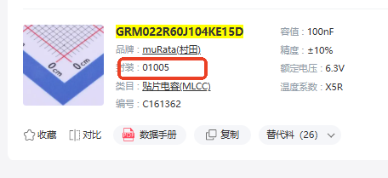 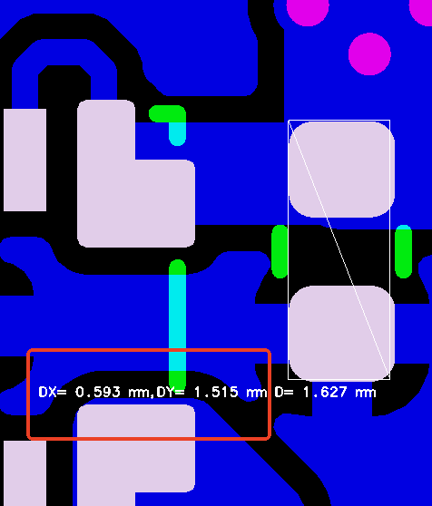 | Please modify the footprint to 01005 or provide a new part number which package is 0402. |  | Samsung Electro-Mechanics - CL05B104KB54PNC - C307331 | High
4 | The pad in Gerber is not match with datasheet. | J1 | / | The component may can't be 100% soldered on the board, which will cause soldeirng issue. | 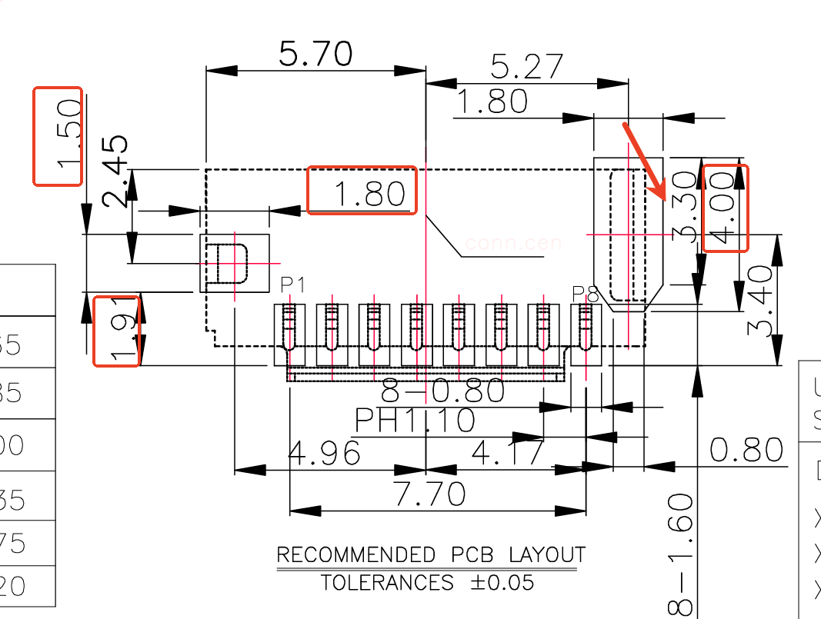 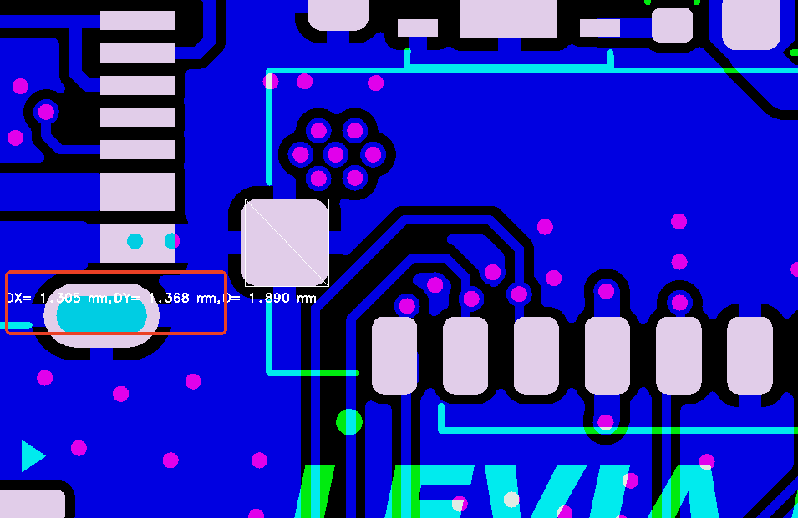 | Please modify the pad accoridng to datasheet. | Modified according to data sheet |  | Middle
5 | The package is 0603 while the footprint is 0402. | FB1 | / | The pad is too small. | 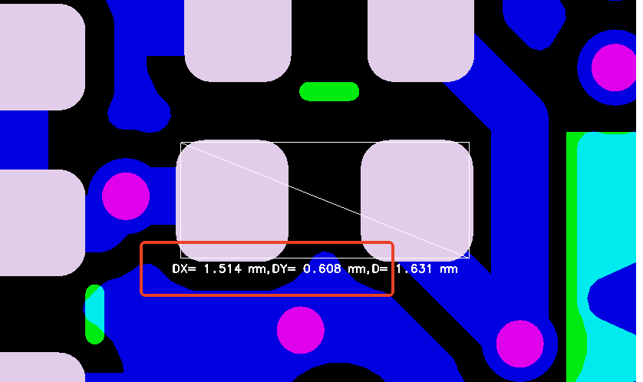 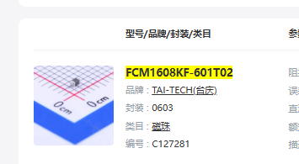 | Please modify the footprint to 0603 or provide a new part number which package is 0402. |  | Murata Electronics - BLM15BD601SN1D - C337875 | High
6 | When you placed the order you chose tented vias while there are vias in the pads, see attach. | via processing | / | The tin may flow into the vias and cause soldeirng issue. | 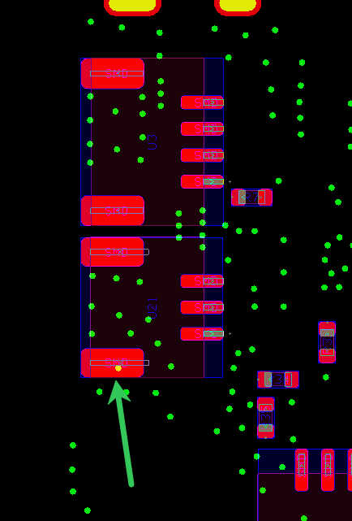 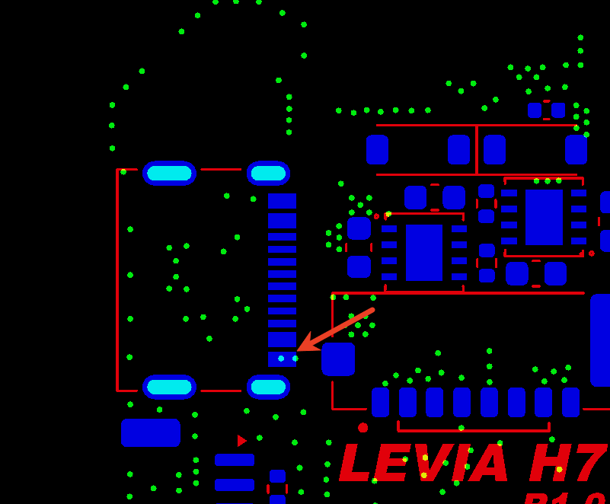 | Please remove these vias from the pads. | Removed vias as suggested |  | Middle
7 | Is there any soldering direction requirement for L1,L2? | L1,L2 | / | The silk is not clear so we are not sure. | 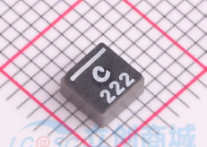 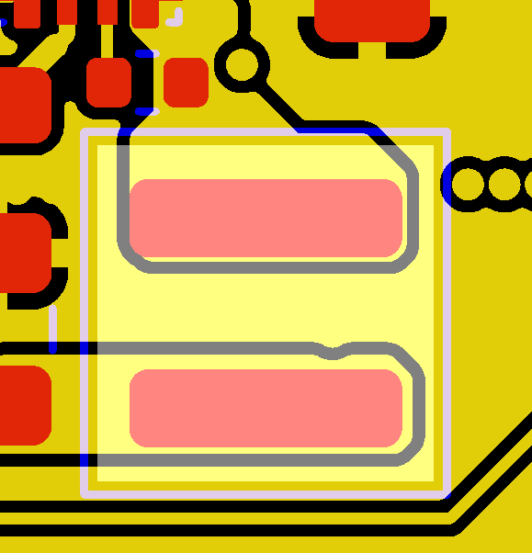 | Please confirm. | 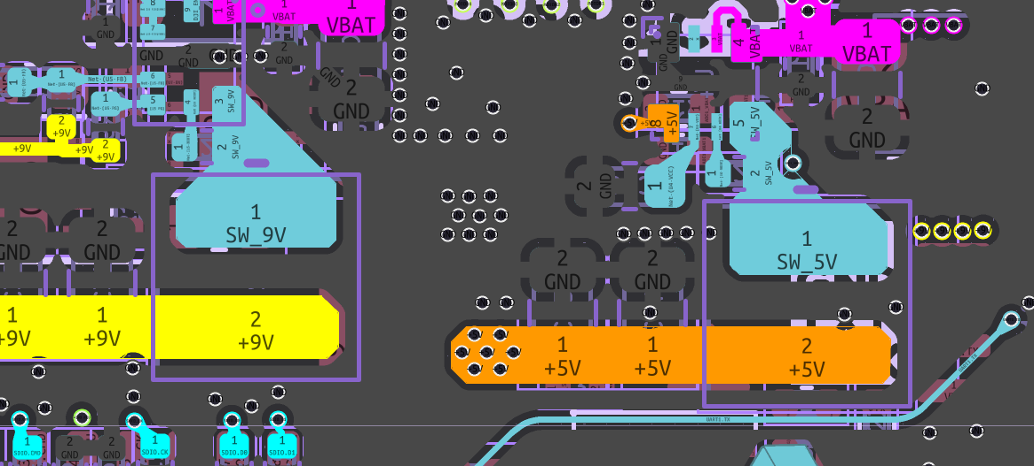 | Pin1 of the two inductors faces the north side, I added a small silkscreen segment as mark | Middle

